Sheet1
Feltilizer Laboratory Layout

Medicine Storage
Medicine Freezer
Refrigerating Showcase
A.Draft Chamber
Laboratory Table
Laboratory Table
Sink
Drying Shelf

medicine Stirage Room

Shelf
Shelf

7.0m
Laboratory Table
Sink
Laboratory Table
Analysis Room
Laboratory Table

Shelf

Analysis Room
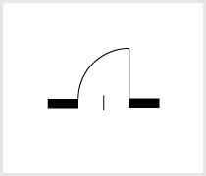
Laboratory Table

Laboratory Table
Treatment Room

Balance
Table

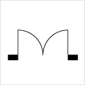
Balance Room
Shelf
Shelf
Waste Water Storage

3.0m
7.0m

10.0m

